Booth Inventory
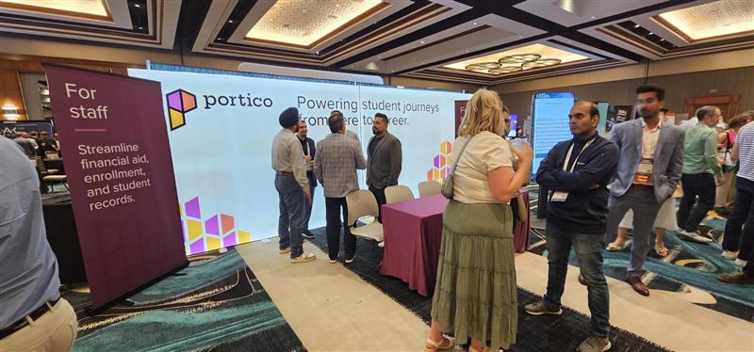
Item | Location | Weight | Specs | Notes
10x10 frame | Campus Ivy
10x10 frame | Campus Ivy
10x20 connector piece | Campus Ivy
Booth kit | Campus Ivy
10x10 graphic (main) | Campus Ivy
10x10 graphic (part 1 of 10x20) | Campus Ivy
10x10 graphic (part 2 of 10x20) | Campus Ivy
Banner stand: For Staff | Campus Ivy
Banner stand: For Students | Campus Ivy
Banner stand: Empowerment Platform | Campus Ivy
Portico table skirt | Campus Ivy
Portico table skirt | Campus Ivy

ADDITIONAL LEGACY ITEMS
TBD

POTENTIAL SWAG ITEMS | TBD

